Word list
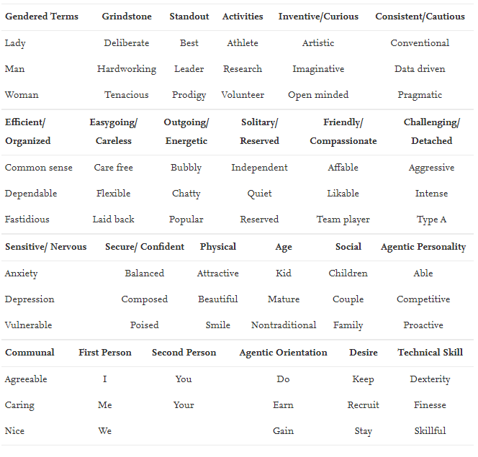
Agency | Communality | Grindstone | Standout | Social | Radiology
Achieve* | Affection* | Hardworking | Star | Child* | Good eye
Active* | Affection* | Hard worker | Excellen* | Couple | High volume
Aggressive | Agreeable | Conscientious | Superb | Family | Observational skills
Ambitio* | Amiable | Dependable | Gifted |  | Focus
Analyt* | Care | Meticulous | Extraordinary |  | Attention
Aspirat* | Care | Thorough | Outstanding |  | Keen eye
Assertive | Caring | Diligent | Unique
Attention | Caring | Dedicat* | Exceptional
Autonom* | Cheerful | Careful | Unparallelled
Competen* | Compassion* | Responsible | Superstar
Competing | Compassion* | Reliable | Finest
Confiden* | Concern* | Tireless | Exquisite
Courage* | Concern* |  | Stellar
Decisive | Considerat* |  | Sterling
Dedicat* | Cooperat* |  | Phenomenal
Defend | Devot* |  | Ideal
Desire | Devot* |  | Exemplary
Determination | Eager |  | Leader
Determined | Emotional |  | Best
Force* | Expressive |  | Prodigy
Goal oriented | Feeling
Goal-oriented | Feeling
Hard work* | Friend*
Independen* | Gentle
Industrious | Good-nature*
Industrious* | Gullible
Intelligen* | Happy
Lead* | Help*
Master | Kind
Mastered | Kind
Mastery | Likable
Outspoken | Nurtur*
Rewards | Passive
Self direct* | Sensitiv*
Self motivated | Soft
Self starter | Soft spoken
Self-assure* | Sooth
Self-direct* | Sympath*
Self driven | Tender
Self-driven | Timid
Self-motivated | To other*
Self-relian* | To other*
Self-starter | Understand*
Serious | Warm
Skill* | Yield*
Strong
Tough
Under pressure
Work ethic
Work-ethic

 | Appendix 1. Library of agentic and communal terms included for analysis. Of note, an ‘*’ denotes an open-ended search term. For example, a search of the term ‘ambitio*’ would capture both ‘ambition’ and ‘ambitious’.
 |  |  |  |  |  | https://www.liwc.app/

